ART
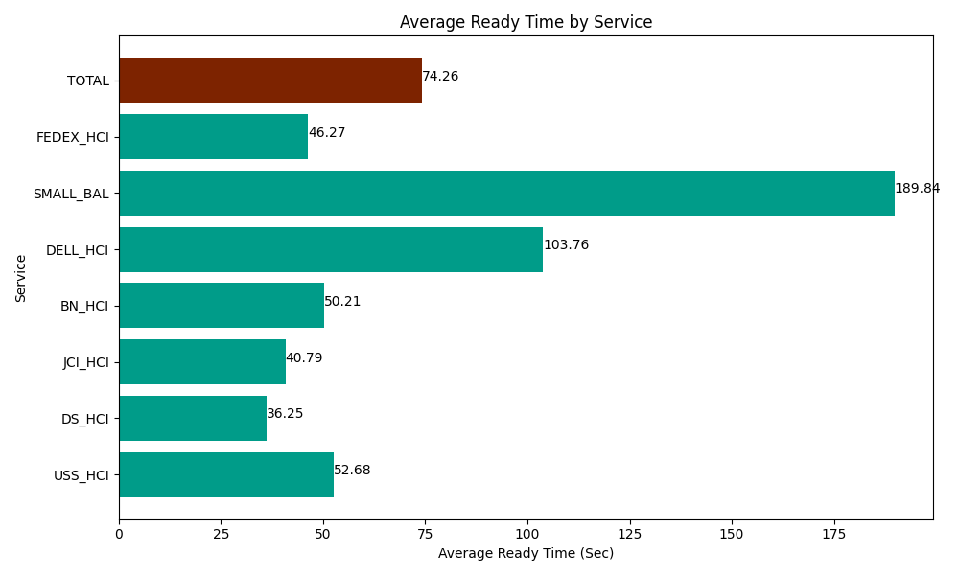
Date | Service | Successful Op Transfer | In Call (Sec) | Ready (Sec) | Wrapup (Sec) | Not Ready (Sec) | Average Ready Time (Sec)
03-21-2024 | USS_HCI | 275 | 44323.798828 | 14485.799561 | 43066.201172 | 18387.000732 | 52.68
03-21-2024 | DS_HCI | 778 | 46366.801758 | 28204.200439 | 98186.99707 | 110248.19824 | 36.25
03-21-2024 | JCI_HCI | 571 | 55869.001465 | 23290.200806 | 83119.797363 | 25297.800293 | 40.79
03-21-2024 | BN_HCI | 693 | 55834.200439 | 34798.798828 | 86815.803223 | 39985.198975 | 50.21
03-21-2024 | DELL_HCI | 67 | 6058.8002014 | 6952.2001648 | 12625.799561 | 1720.2000046 | 103.76
03-21-2024 | SMALL_BAL | 30 | 2865 | 5695.1998901 | 4780.1998901 | 2113.7999725 | 189.84
03-21-2024 | FEDEX_HCI | 114 | 11171.999817 | 5275.1998901 | 10008.000183 | 10162.800293 | 46.27
 | TOTAL | 2528 | 222489.60251 | 118701.59958 | 338602.79846 | 207914.99851 | 74.26

